Sheet1 (3)
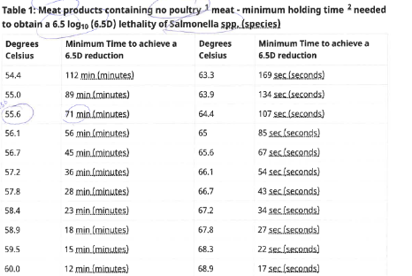
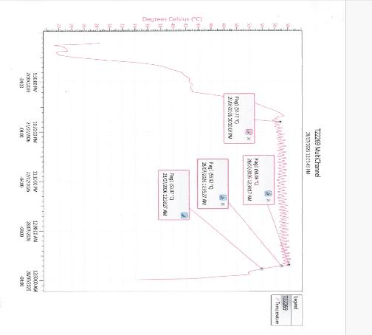
DEVAITION RECORD
Incident Date: July 28 2026 | Affected Product Time Start Time Finish Time |  |  | Report Date: July 28 2026 | NCR# 10-2026 | Sample Provided to QC
 | NA |  | NA |  |  | YES | NO
WHAT is the problem? (If more space is required, use back of this sheet)
ollow CFIA cooking - states 57.8C for 28 min, plus 1 min for possible variation, internally we follow 57.8C for 33min graph shows ; highest temp of 58.08C but did not hold (temperature was fluctuating temperature did meet 56.77 for 2hrs 2min and stayed above. if temperature was high-low of average of 55.6C is 71min minimum, if 56.1C, 56minututes minimum, both ranges apply to the product, based on cooking times and temperature, product was released, however, varied from own standard internal desired time and temperatures

Issue identified by: Matthew (smokehouse operator) |  |  | Affected line/ area: smokehouse |  | Originator of NCR: Steph
Food Quality/Safety Risk (circle one) | Yes or No |  | Physical Goods Required to Be Held
 |  |  | (Raw/Finished/WIP/Packaging etc): YES or NO
DEFECT TYPE (check all applicable):
Food safety |  | Quality |  |  | Packaging
¡ CCP Violation |  | ¡ Dimensions |  | ¡ Texture | ¡ Code Date/Package
¡ Foreign Material (Supplier or plant - circle) |  | ¡ Gas Flush |  | ¡ Weight | ¡ Film Defect
¡ Micro/ Moldy |  | ¡ Raw Material Quality (Supplier or plant - circle) |  | ¡ Colour | ¡ Packaging Availability or Issues
¡ Expired product |  | ¡ Wrong Ingredients |  | ¡ Flavour | ¡ Seal issue
Raw Materials / WIP on hold / Finished product / Packaging material (check all applicable):
Hold Sticker applied | Item | Description | Batch Number | Qty Held (kg) | Hold Release date | Additional Information
 |  |  |  |  |  | Pack date: | Result:
na

WHAT DID CREATE THE PROBLEM (Root Cause)

¡ Equipment Failure - PM |  | ¡ Employee Error - Knowledge |  | ¡ Formulations |  | ¡ Undetermined
¡ Equipment Failure - Isolated |  | ¡ Employee Error - Mistake |  | ¡ Management Decision |  | ¡ Supplier
¡ Equipment – off settings |  | ¡ Environment |  | ¡ Precautionary |  | ¡ Other
IMMEDIATE CORRECTIVE AND CONTROL ACTIONS (before re-start operations)
Actions (what was done by operators, maintenance, or other functions) |  |  |  | Completed by | Completed date |  | Verified by:

PREVENTIVE ACTIONS (to prevent re-occurrence)
What preventative measure taken: |  |  |  | Completed by | Completed date |  | Verified by:

Plant Manager review (initial and date) Ready to be closed: □ YES □ NO

Is the product on hold recoverable: □ YES □ NO

Additional comment
Based on Management's decision, below are the product type that were rejected and marginally passed. No food safety concern was associated with it.
QC DISPOSITION NOTES |  |  |  | QC Assessment:

QC Risk Assessment required if releasing foreign material: |  |  |  | QC Verification of Corrective/Preventative Actions (Name and Date Completed): Khushali, 28-Nov-2025

 |  |  |  | Director of operations Final Review (Initial and Date):

